Sheet1
FOOD NAME | FOOD TYPE | IMAGE | GOOD/BAD | PORTION IMAGE | PORTION | PORTION HINT | CARBS | CARBS HINT
BANANA | FRUIT |  | GOOD | TENNIS BALL | ONE SMALL PIECE | You can hit it over the net by using a racket. | 15 | It is between 10 and 23.
KIWI | FRUIT | 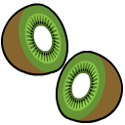 | GOOD | TENNIS BALL | ONE SMALL PIECE | You can hit it over the net by using a racket. | 15 | It is between 10 and 23.
RAISINS | FRUIT | 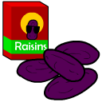 | GOOD | GOLF BALL | 2 TBSP | Hit it with a club and try to get the lowest score. | 15 | It is between 10 and 23.
WATERMELON | FRUIT | 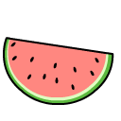 | GOOD | BASEBALL | ONE CUP | You can hit it with a bat. | 15 | It is between 10 and 23.
GRAPES | FRUIT |  | GOOD | TENNIS BALL | ONE SMALL PIECE | You can hit it over the net by using a racket. | 15 | It is between 10 and 23.
ORANGE | FRUIT | 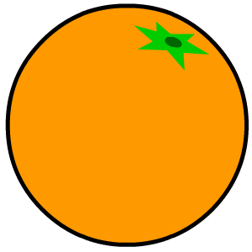 | GOOD | TENNIS BALL | ONE SMALL PIECE | You can hit it over the net by using a racket. | 15 | It is between 10 and 23.
CANNED FRUIT | FRUIT | 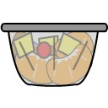 | GOOD | LIGHTBULB | HALF CUP | Turn it on to light up the dark. | 15 | It is between 10 and 23.
APPLE | FRUIT |  | GOOD | TENNIS BALL | ONE SMALL PIECE | You can hit it over the net by using a racket. | 15 | It is between 10 and 23.
RASPBERRIES | FRUIT |  | GOOD | BASEBALL | ONE CUP | You can hit it with a bat. | 15 | It is between 10 and 23.
MANDARIN ORANGES | FRUIT | 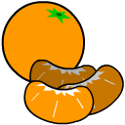 | GOOD | LIGHTBULB | HALF CUP | Turn it on to light up the dark. | 10 | It is between 5 and 12.
PEAR | FRUIT | 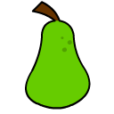 | GOOD | TENNIS BALL | ONE SMALL PIECE | You can hit it over the net by using a racket. | 15 | It is between 10 and 23.
PEPPER |  VEGETABLE |  | GOOD | BASEBALL | ONE CUP | You can hit it with a bat. | 5 | It is less than 10.
CABBAGE | VEGETABLE |  | GOOD | BASEBALL | ONE CUP | You can hit it with a bat. | 5 | It is less than 10.
CARROT |  VEGETABLE |  | GOOD | BASEBALL | ONE CUP | You can hit it with a bat. | 5 | It is less than 10.
BROCCOLI | VEGETABLE |  | GOOD | BASEBALL | ONE CUP | You can hit it with a bat. | 5 | It is less than 10.
GREEN BEANS | VEGETABLE |  | GOOD | LIGHTBULB | HALF CUP | Turn it on to light up the dark. | 5 | It is less than 10.
EGG | PROTEIN | 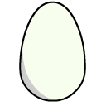 | GOOD | DECK OF CARDS | 3 OUNCES | Shuffle these to mix them all up. | 0 | The smallest number you can choose.
SAUSAGE PATTY | PROTEIN | 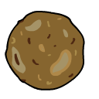 | GOOD | DECK OF CARDS | 3 OUNCES | Shuffle these to mix them all up. | 0 | The smallest number you can choose.
HAM | PROTEIN | 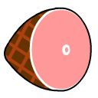 | GOOD | DECK OF CARDS | 3 OUNCES | Shuffle these to mix them all up. | 0 | The smallest number you can choose.
PEANUT BUTTER | PROTEIN |  | GOOD | GOLF BALL | 2 TBSP | Hit it with a club and try to get the lowest score. | 7 | It is less than 12 but more than 0.
CHICKEN | PROTEIN |  | GOOD | DECK OF CARDS | 3 OUNCES | Shuffle these to mix them all up. | 0 | The smallest number you can choose.
FISH | PROTEIN |  | GOOD | DOLLAR BILL | DOLLAR BILL SIZED | You use it to buy things. | 0 | The smallest number you can choose.
PANCAKE | GRAIN |  | GOOD | DVD | DVD SIZED | I love to watch movies! | 15 | It is between 10 and 23.
WAFFLE | GRAIN |  | GOOD | DVD | DVD SIZED | I love to watch movies! | 15 | It is between 10 and 23.
OATMEAL | GRAIN | 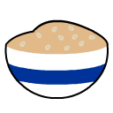 | GOOD | LIGHTBULB | HALF CUP | Turn it on to light up the dark. | 15 | It is between 10 and 23.
ENGLISH MUFFIN | GRAIN | 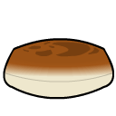 | GOOD | DVD | DVD SIZED | I love to watch movies! | 15 | It is between 10 and 23.
BREAD SLICE | GRAIN | 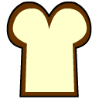 | GOOD | DVD | DVD SIZED | I love to watch movies! | 15 | It is between 10 and 23.
HAMBURGER BUN | GRAIN | 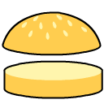 | GOOD | DVD | DVD SIZED | I love to watch movies! | 15 | It is between 10 and 23.
CRACKERS | GRAIN |  | GOOD | DVD | DVD SIZED | I love to watch movies! | 15 | It is between 10 and 23.
TORTILLA | GRAIN | 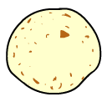 | GOOD | DVD | DVD SIZED | I love to watch movies! | 15 | It is between 10 and 23.
CORN | GRAIN |  | GOOD | LIGHTBULB | HALF CUP | Turn it on to light up the dark. | 15 | It is between 10 and 23.
POTATO | GRAIN | 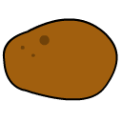 | GOOD | LIGHTBULB | HALF CUP | Turn it on to light up the dark. | 15 | It is between 10 and 23.
RICE | GRAIN |  | GOOD | LIGHTBULB | HALF CUP | Turn it on to light up the dark. | 23 | It is more than 15.
PASTA | GRAIN |  | GOOD | LIGHTBULB | HALF CUP | Turn it on to light up the dark. | 23 | It is more than 15.
WHITE MILK | DAIRY |  | GOOD | BASEBALL | ONE CUP | You can hit it with a bat. | 12 | It is an even number greater than 0.
CHOCOLATE MILK | DAIRY |  | GOOD | BASEBALL | ONE CUP | You can hit it with a bat. | 27 | The largest number you can choose.
YOGURT | DAIRY | NO IMAGE YET | GOOD | LIGHTBULB | HALF CUP | Turn it on to light up the dark. | 23 | It is more than 15.
CHEESE |  DAIRY |  | GOOD | PAIR OF DICE | 1 OUNCE | Roll them to see what numbers you get. | 0 | The smallest number you can choose.
FRIES | UNHEALTHY FOOD |  | BAD
DONUT | UNHEALTHY FOOD |  | BAD
ICECREAM | UNHEALTHY FOOD |  | BAD
CHIPS | UNHEALTHY FOOD |  | BAD
COOKIE | UNHEALTHY FOOD |  | BAD
CHOCOLATE |  UNHEALTHY FOOD |  | BAD
SODA | UNHEALTHY FOOD |  | BAD
CUPCAKE | UNHEALTHY FOOD |  | BAD
LOLLIPOP | UNHEALTHY FOOD |  | BAD

